Sheet1
 |  |  |  | Validation

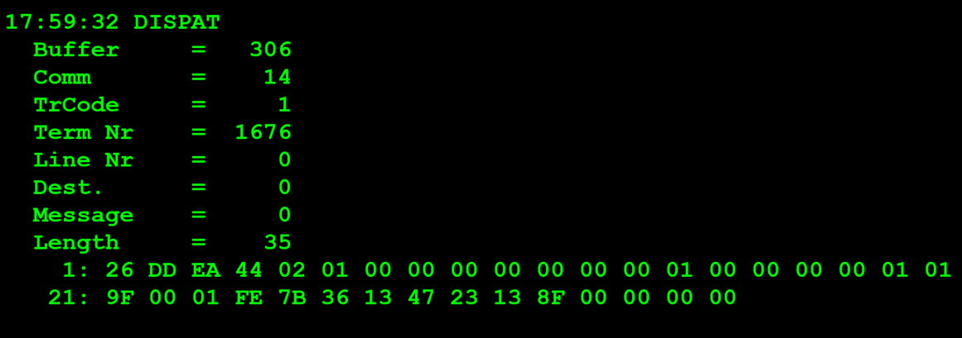
TestByte |  | Size | Field Contents
Start | End
1 | 1 | 1 | Control | Sequence | 26 | Control=0010 Sequence=0110 | 2 6 | Control -> x10 - Application Message Sequence -> 6
2 | 2 | 1 | Type = 13 | Subtype = 13 | DD | Type=1101 Subtype=1101 | Type=13 Subtype=13 | Type = 13 Subtype = 13
3 | 4 | 2 | Checksum |  | EA 44 | .. | .. | ..
5 | 5 | 1 | Statistics[1] |  | 02
6 | 7 | 2 | Option Flags |  | 01 00 |  |  | 01 00 =Bank Validation mode (1 byte)
8 | 8+n-1 | n | Option Data[2] |  | 00 |  |  | 0x00 = New bank validation request
8+n | 8+n | 1 | Batch Flag (see below) |  | 00 |  |  | x00 = Not Batched
9+n | 12+n | 4 | Retailer number, who gets the credit For non-privileged terminals this field should be set to 0. |  | 00 00 00 00 |  | 0 | non-privileged terminal = 0
13+n | 13+n | 1 | Validation Mode ( 0 = Pay, 1 = Inquire with no updates ) |  | 01 |  | 1 | 1 = Inquire with no updates
14+n | 17+n | 4 | Envelope Identification Number (generated by the terminal) For non-privileged terminal this field should be set to 0. |  | 00 00 00 00 |  | 0 | non-privileged terminal = 0
18+n | 18+n | 1 | Number of Tickets in Batch |  | 01 |  | 1 | 1 ticket validation
19+n | 20+n | 2 | Game Number (000-999) |  | 01 9F |  | 415
21+n | 24+n | 4 | Pack Number |  | 00 01 FE 7B |  | 130683
25+n | 28+n | 4 | VIRN Number (9 digits) |  | 36 13 47 23 |  | 907233059
29+n | 30+n | 2 | Latex Number |  | 13 8F |  | 5007
31+n | 34+n | 4 | Amount in cents |  | 00 00 00 00 |  | 0

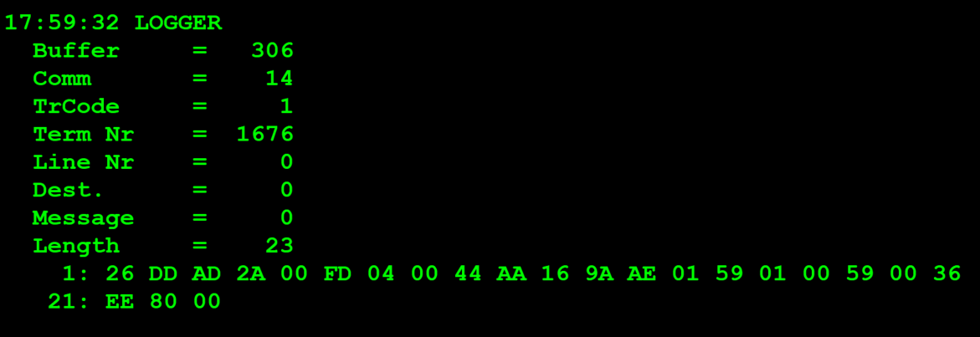
TestByte |  | Size | Field Contents
Start | End
1 | 1 | 1 | Control | Sequence | 26 | Control=0010 Sequence=0110 | 2 6 | Control -> x10 - Application Message Sequence -> 6
2 | 2 | 1 | Type = 13 | Subtype = 13 | DD | Type=1101 Subtype=1101 | Type=13 Subtype=13 | Type = 13 Subtype = 13
3 | 4 | 2 | Checksum |  | AD 2A | .. | .. | ..
5 | 7 | 3 | Time Stamp (seconds since midnight) |  | 00 FD 04 |  | 64772 | 17:59:32.
8 | 9 | 2 | Julian Date (3 digits, unsigned) |  | 00 44 |  | 68 | 68=31+28+9
10 | 12 | 3 | External Serial Number (8 digits, unsigned) |  | AA 16 9A |  | 11146906
13 | 13 | 1 | Check digit |  | AE |  | 174
14 | 14 | 1 | Result Code 1 (see below) |  | 01 |  | 1 | 01 = Error (error code in Result Code 2, see Appendix B for values)
15 | 15 | 1 | Result Code 2 (see below) |  | 59 |  | 89
16 | 16 | 1 | Option Flags |  | 01 |  | 1 | 01 = Bank validation mode 1 byte
17 | 17+n | n | Option Data (see below) |  | 00 | 0 | 0 | 0x00 = New bank validation low tier inquiry response (cash payment only)

 | TestByte |  | Size | Field Contents
 | Start | End
 | 1 | 1 | 1 | Ticket Result Code | 59 |  | 89
 | 2 | 5 | 4 | Prize Amount of Validated Ticket (In cents) | 00 36 EE 80 |  | 3600000 | 3600000 cent = 36.000 euros
 | 6 | 6 | 1 | Pack status for the privileged terminal: | 00 |  | 0 | 0 – OK
 |  |  |  | Value:
 |  |  |  | 0 – OK
 |  |  |  | 1 – Missing
 |  |  |  | 2 - Stolen

 |  |  |  | Payment

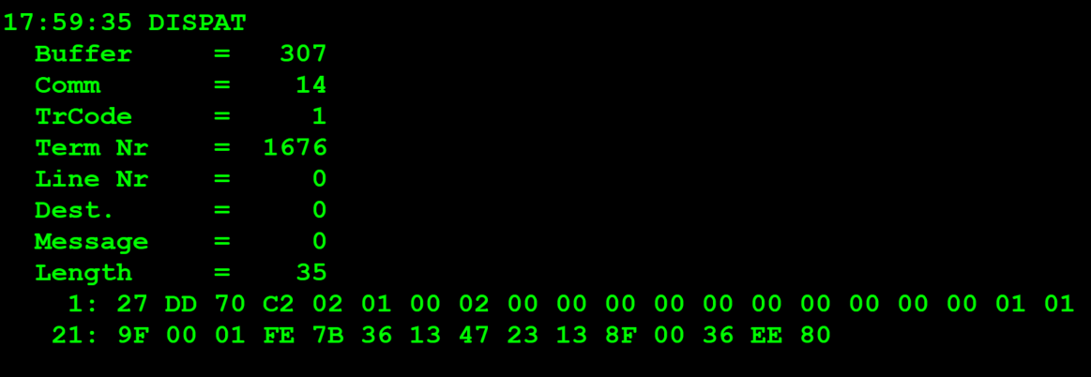
TestByte |  | Size | Field Contents
Start | End
1 | 1 | 1 | Control | Sequence | 27 | Control=0010 Sequence=0111 | 2 7 | Control -> x10 - Application Message Sequence -> 7
2 | 2 | 1 | Type = 13 | Subtype = 13 | DD | Type=1101 Subtype=1101 | Type=13 Subtype=13 | Type = 13 Subtype = 13
3 | 4 | 2 | Checksum |  | 70 C2
5 | 5 | 1 | Statistics[1] |  | 02
6 | 7 | 2 | Option Flags |  | 01 00 |  |  | 01 00 =Bank Validation mode (1 byte)
8 | 8+n-1 | n | Option Data[2] |  | 02 |  | 2 | 0x02 = New bank validation low/high tier request (cash payment)
8+n | 8+n | 1 | Batch Flag (see below) |  | 00 |  | 0 | x00 = Not Batched
9+n | 12+n | 4 | Retailer number, who gets the credit For non-privileged terminals this field should be set to 0. |  | 00 00 00 00 |  | 0 | 0
13+n | 13+n | 1 | Validation Mode ( 0 = Pay, 1 = Inquire with no updates ) |  | 00 |  | 0 | 0 = Pay
14+n | 17+n | 4 | Envelope Identification Number (generated by the terminal) For non-privileged terminal this field should be set to 0. |  | 00 00 00 00 |  | 0 | 0
18+n | 18+n | 1 | Number of Tickets in Batch |  | 01 |  | 1 | 1 TICKET
19+n | 20+n | 2 | Game Number (000-999) |  | 01 9F |  | 415 | 415
21+n | 24+n | 4 | Pack Number |  | 00 01 FE 7B |  | 130683
25+n | 28+n | 4 | VIRN Number (9 digits) |  | 36 13 47 23 |  | 907233059
29+n | 30+n | 2 | Latex Number |  | 13 8F |  | 5007
31+n | 34+n | 4 | Amount in cents |  | 00 36 EE 80 |  | 3600000 CENT | 36.000 EUROS

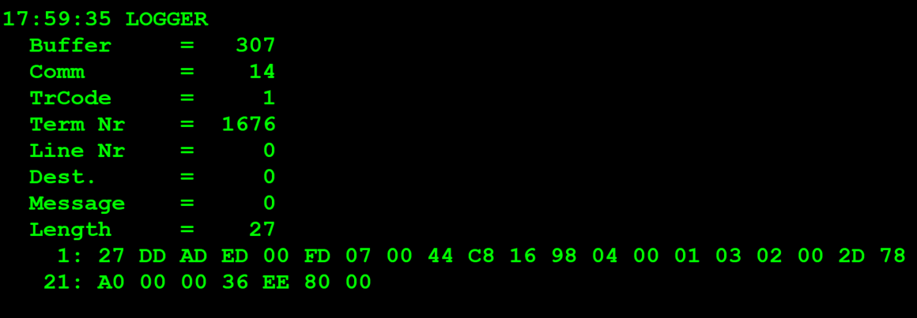
TestByte |  | Size | Field Contents
Start | End
1 | 1 | 1 | Control | Sequence | 27 | Control=0010 Sequence=0111 | 2 7 | Control -> x10 - Application Message Sequence -> 7
2 | 2 | 1 | Type = 13 | Subtype = 13 | DD | Type=1101 Subtype=1101 | Type=13 Subtype=13 | Type = 13 Subtype = 13
3 | 4 | 2 | Checksum |  | AD ED
5 | 7 | 3 | Time Stamp (seconds since midnight) |  | 00 FD 07 |  | 64775 | 17:59:35.
8 | 9 | 2 | Julian Date (3 digits, unsigned) |  | 00 44 |  | 68 | 68=31+28+9
10 | 12 | 3 | External Serial Number (8 digits, unsigned) |  | C8 16 98 |  | 13112984
13 | 13 | 1 | Check digit |  | 04 |  | 4 | 004
14 | 14 | 1 | Result Code 1 (see below) |  | 00 |  | 0 | 00 = No error (number of tickets in the batch in Result Code 2)
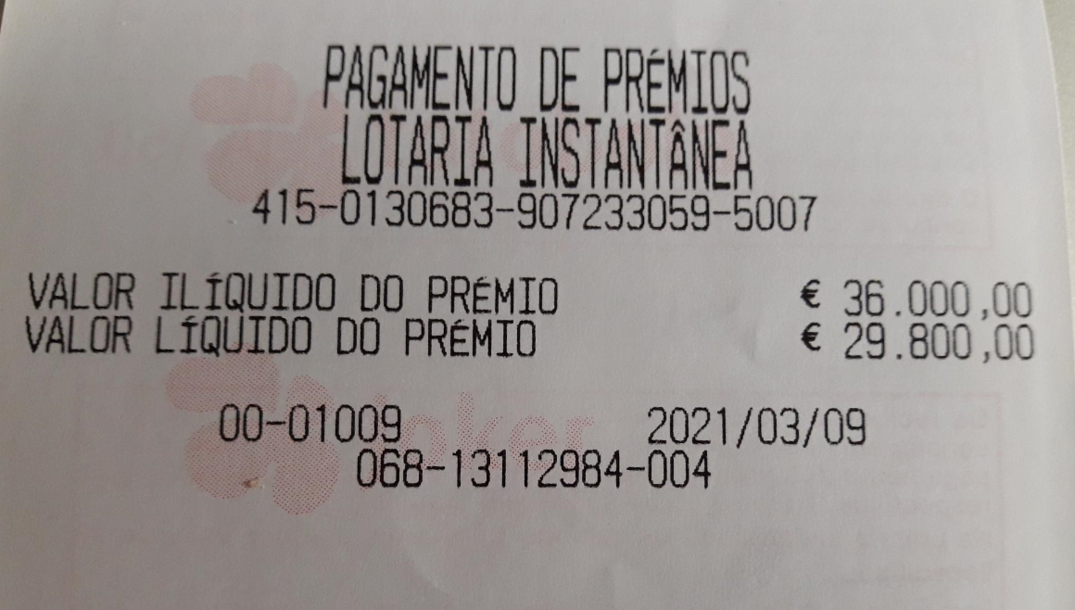
15 | 15 | 1 | Result Code 2 (see below) |  | 01 |  | 1 | 1 ticket
16 | 16 | 1 | Option Flags |  | 03 |  |  | 01 = Bank validation mode 1 byte 02 = Net cash amount (validation units) 4 bytes
17 | 17+n | n | Option Data (see below) |  | 02 00 2D 78 A0 |  | 2 ---- 2980000 CENT | 0x01 = New bank validation high tier inquiry response (cash payment or bank transfer) --- 29.800 EUROS

 | TestByte |  | Size | Field Contents
 | Start | End
 | 1 | 1 | 1 | Ticket Result Code | 00 |  | 0
 | 2 | 5 | 4 | Prize Amount of Validated Ticket (In cents) | 00 00 36 EE 80 |  | 3600000 CENT | 36.000 EUROS
 | 6 | 6 | 1 | Pack status for the privileged terminal: | 00 |  | 0 | 0 – OK
 |  |  |  | Value:
 |  |  |  | 0 – OK
 |  |  |  | 1 – Missing
 |  |  |  | 2 - Stolen

